Who was Mr Rosley
Mr Rosley | Andalucian X TB 16.3HH

This was my first horse a certain Mr Gerald Nott, convinced me to train for SAA from a safe career in Dressage. He had worked up to Advanced Medium but had struggled to do changes without bucking, so Gerald's invitation came at the right time.
He was a fantastic pegging horse form the start and was totally fearless once he knew what he was doing. He especially had a special attack plan for the quintain in Medieval SAA.
I learnt everything from scratch with him and it must have taken me 20 goes to strike a peg. I sincerely thank John Dudeney for those early days of nervous training of my "too precious dressage horse" and I even remember some lessons with Bernie Barker.

What I learned from him I have applied to other horses since, two from Dressage backgrounds at medium and PSG. Suprisingly for me, the horses coming from Dressage and similar skills have proven to be the best. I am also still a firm believer that the Iberian horses in this sport have a future.

Rosley is still so sadly missed… And I hope my challenge cup will keep his memory alive and encourage horses from all walks of life into the sport of SAA.

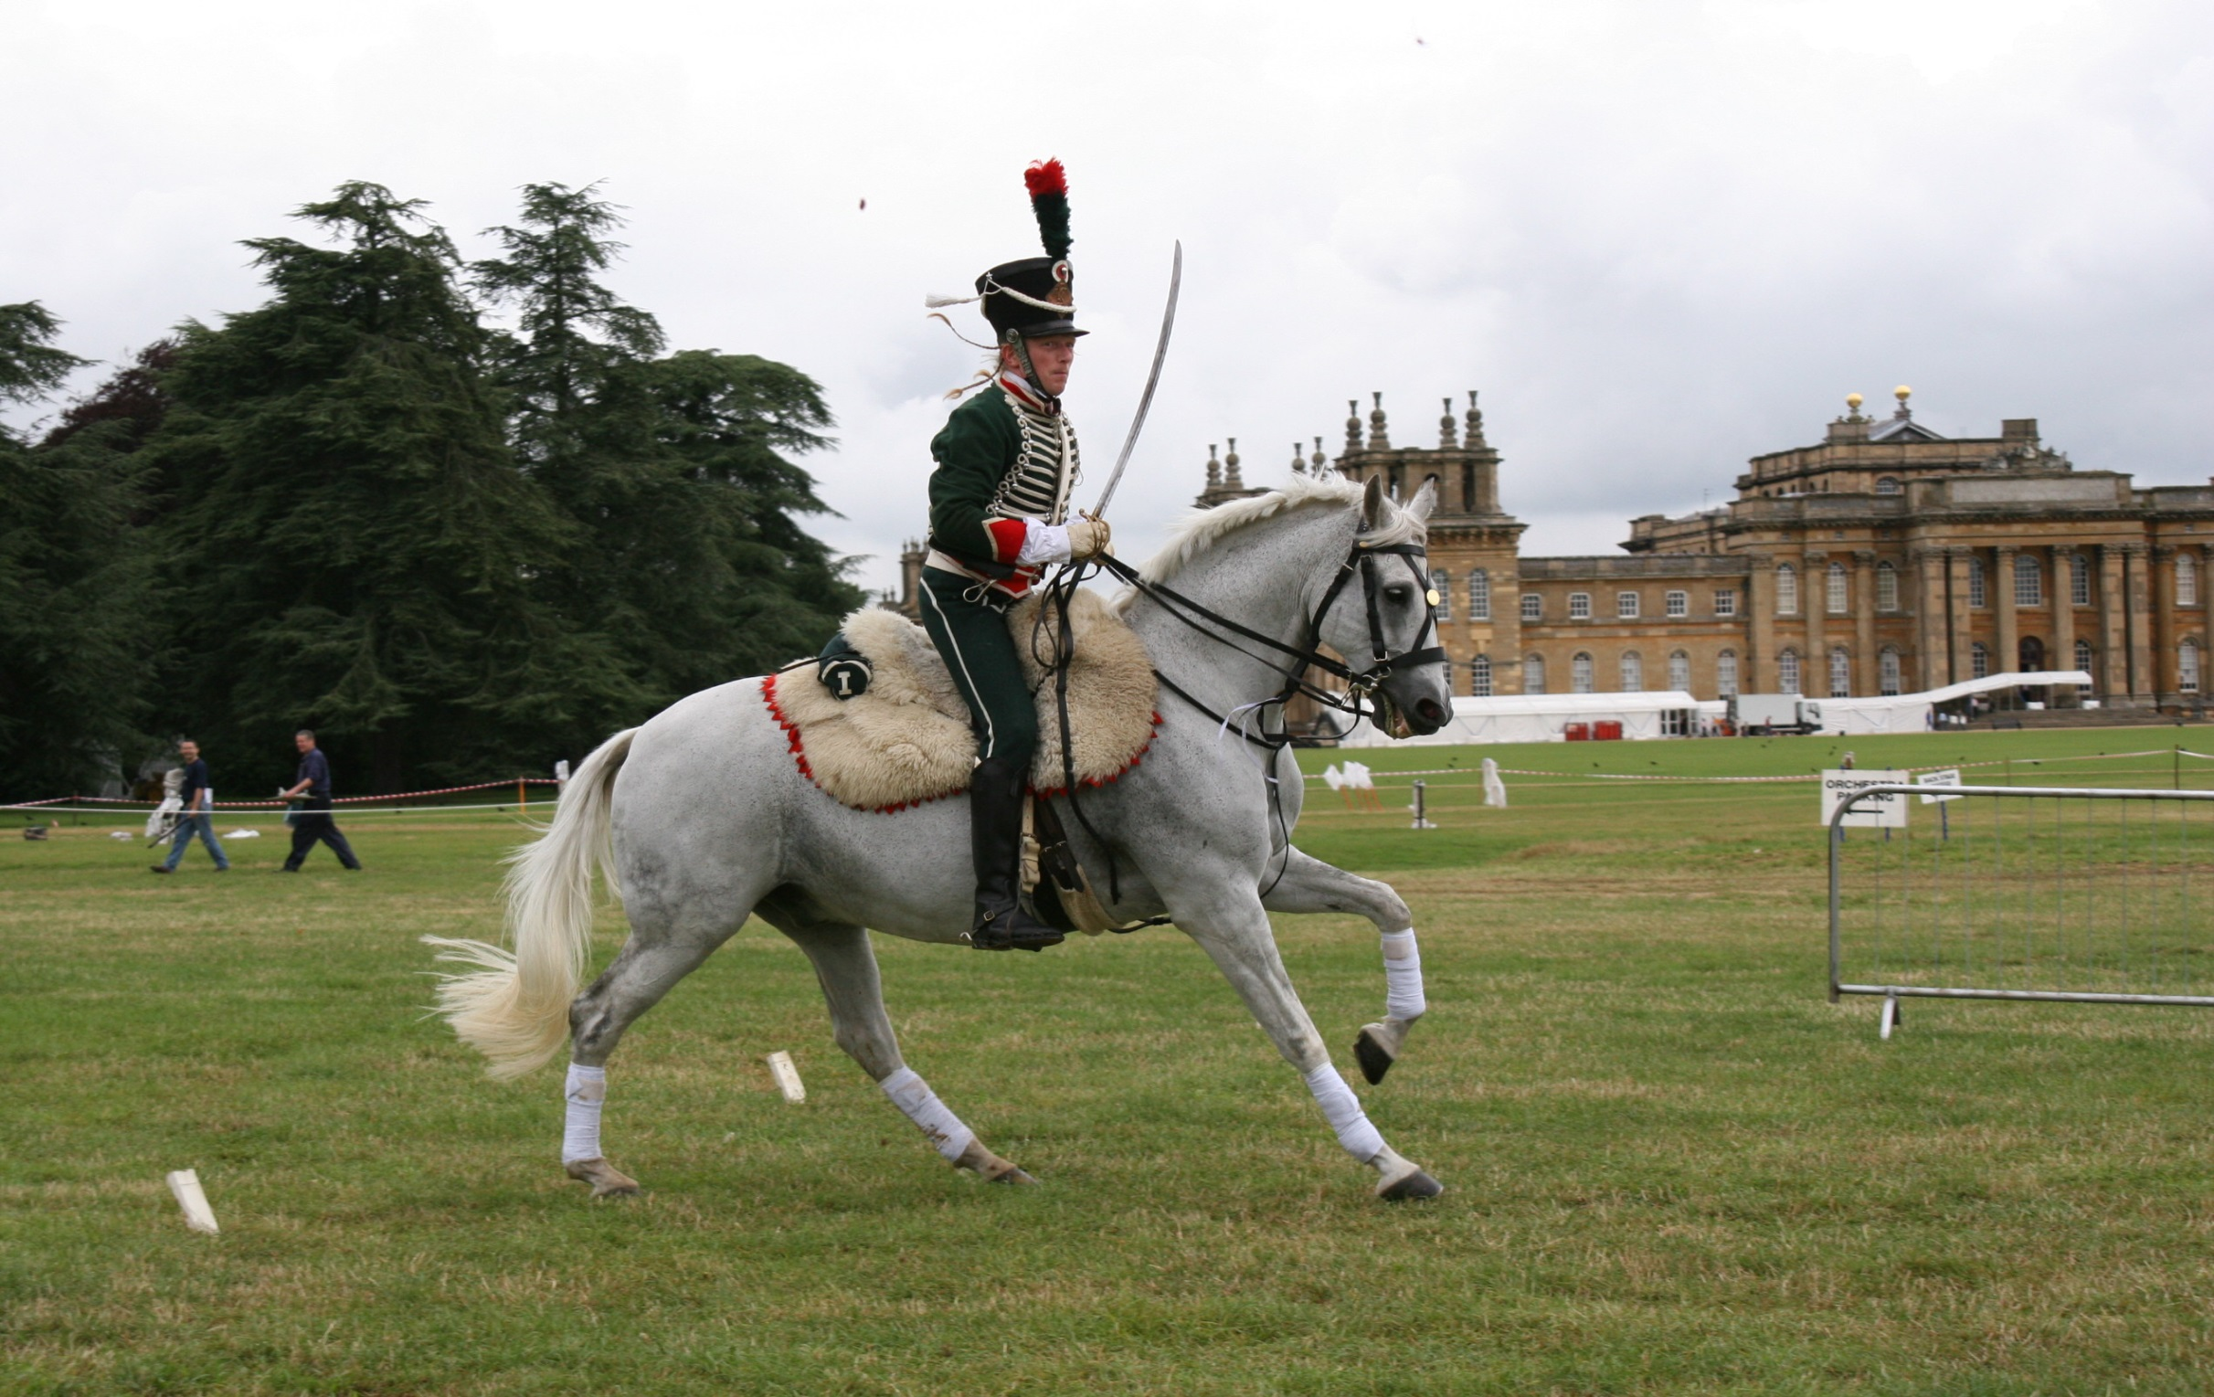

 |  | "Grey tail and mane, as silk pennants
 |  | in the wind were flying

 |  | Four Hooves thundering into the heart
 |  | are undying

 |  | A noble presence and bravest charger unquestioning

 |  | Farewell my valiant grey friend
 |  | into the Western skies acsending…"

